Layout
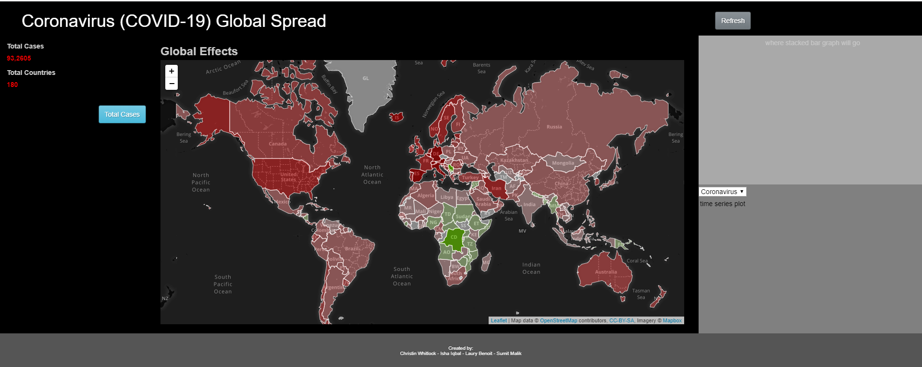
Section 1: Heading |  | Last updated | Refresh |  |  | Refresh Button: | Refresh Data from CSV to DB
Totals (Cases) (D3) | Section 2: Leaflet (Wold Map Visualization) (color scale per country - num cases / 100K population) | Section 4: Plots (Corona)

Totals (County) (D3) |  |  |  | Section 4 | Stacked Bar Plot
 |  |  |  |  | 200 Total
Table Cases/Deaths/Recovery (D3) |  |  |  |  | 25 Recovered
 |  |  |  |  | 25 Deaths

 |  | Section 5: Plots (Corona comparison to other Virus data) (Time Progression)
 |  |  |  | Section 5
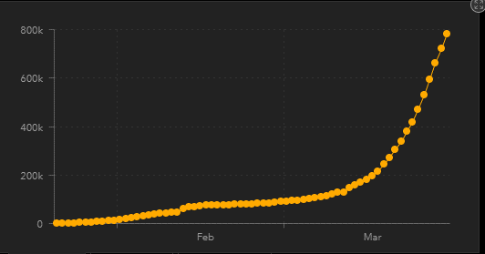

 |  |  |  |  | Section 5

 | Section 6: Group details & Sources used

